Memory Map
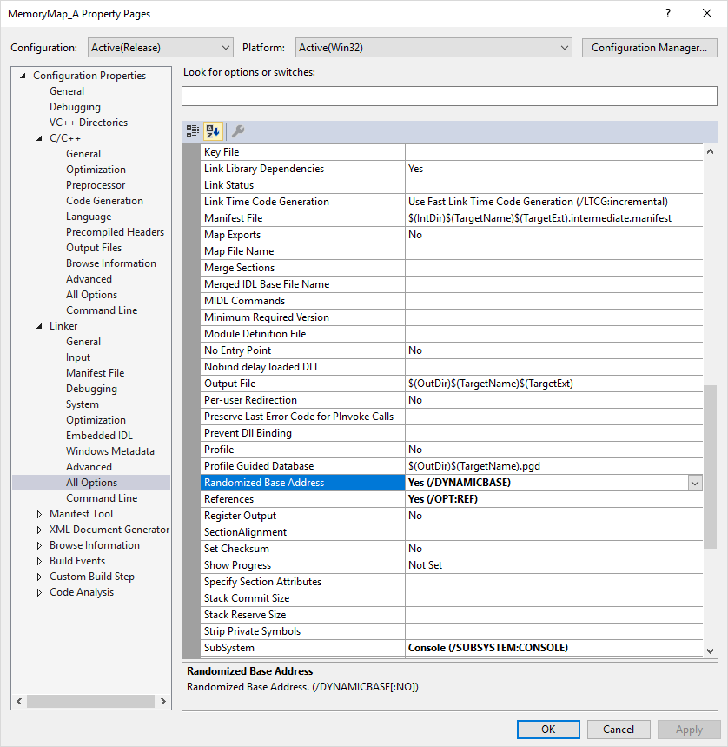
Data Type of Highest Addressed: |  |  | float
Address of Highest: |  |  | 0019FE14

HexAddress | Alias | Value |  | HexAddress | Alias | Value | HexAddress | Alias | Value | HexAddress | Alias | Value
0019FE17 |  |  |  | 0019FDFF |  |  | 0019FDE7 |  |  | 0019FDCF
0019FE16 |  |  |  | 0019FDFE |  |  | 0019FDE6 |  |  | 0019FDCE
0019FE15 |  |  |  | 0019FDFD |  |  | 0019FDE5 |  |  | 0019FDCD
0019FE14 | x |  |  | 0019FDFC |  |  | 0019FDE4 | b |  | 0019FDCC | s
0019FE13 |  |  |  | 0019FDFB |  |  | 0019FDE3 |  |  | 0019FDCB
0019FE12 |  |  |  | 0019FDFA |  |  | 0019FDE2 |  |  | 0019FDCA
0019FE11 |  |  |  | 0019FDF9 |  |  | 0019FDE1 |  |  | 0019FDC9
0019FE10 |  |  |  | 0019FDF8 |  |  | 0019FDE0 |  |  | 0019FDC8
0019FE0F |  |  |  | 0019FDF7 |  |  | 0019FDDF |  |  | 0019FDC7
0019FE0E |  |  |  | 0019FDF6 |  |  | 0019FDDE |  |  | 0019FDC6
0019FE0D |  |  |  | 0019FDF5 |  |  | 0019FDDD |  |  | 0019FDC5
0019FE0C |  |  |  | 0019FDF4 |  |  | 0019FDDC |  |  | 0019FDC4
0019FE0B |  |  |  | 0019FDF3 |  |  | 0019FDDB | c |  | 0019FDC3
0019FE0A |  |  |  | 0019FDF2 |  |  | 0019FDDA |  |  | 0019FDC2
0019FE09 |  |  |  | 0019FDF1 |  |  | 0019FDD9 |  |  | 0019FDC1
0019FE08 |  |  |  | 0019FDF0 | d |  | 0019FDD8 |  |  | 0019FDC0
0019FE07 |  |  |  | 0019FDEF |  |  | 0019FDD7 |  |  | 0019FDBF
0019FE06 |  |  |  | 0019FDEE |  |  | 0019FDD6 |  |  | 0019FDBE
0019FE05 |  |  |  | 0019FDED |  |  | 0019FDD5 |  |  | 0019FDBD
0019FE04 |  |  |  | 0019FDEC |  |  | 0019FDD4 |  |  | 0019FDBC | cArray
0019FE03 |  |  |  | 0019FDEB |  |  | 0019FDD3 |  |  | 0019FDBB
0019FE02 |  |  |  | 0019FDEA |  |  | 0019FDD2 |  |  | 0019FDBA
0019FE01 |  |  |  | 0019FDE9 |  |  | 0019FDD1 |  |  | 0019FDB9
0019FE00 | a |  |  | 0019FDE8 |  |  | 0019FDD0 |  |  | 0019FDB8

Note that each variable aligns on a 4 byte boundary. This makes for more efficient reads on an x86 platform. Some space is "wasted" between variables to allow them to align on 4 byte boundaries. In this case, we are running in debug mode. some of the wasted space is due to the information the debugger writes into our code.

